LV - 2018
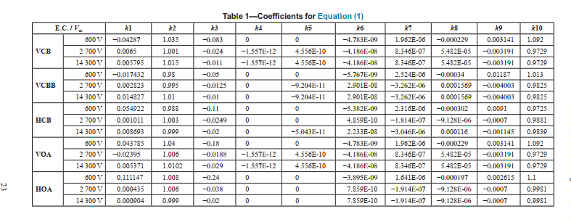
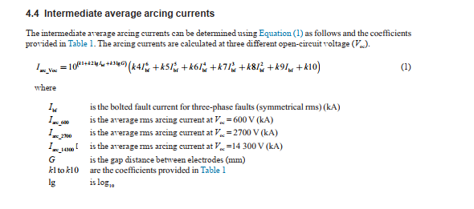
Step 1: Determine the intermediate arcing currents using the equations provided in section 4.3
 |  |  |  |  |  | Table-1
Arc Flash Calculation 1584 -2018 |  |  |  |  |  | VCB
 |  |  |  |  |  | 0.6 kV
Voltage | 0.42 | kV |  |  | K1 | -0.04287
Ibf | 48.11 | kA |  |  | K2 | 1.035
Gap B/w Conductors G | 32 | mm |  |  | K3 | -0.083
Working Distance | 609.6 | mm |  |  | K4 | 0
Enclose dimensions |  |  |  |  | K5 | 0
Width | 508 | mm | 508mm to 1244.6mm |  | K6 | -4.783E-09
Height | 508 | mm | 508mm to 1244.6mm |  | K7 | 0.000001962
Depth | 508 | mm |  |  | K8 | -0.000229
 |  |  |  |  | K9 | 0.003141
 |  |  |  |  | K10 | 1.092
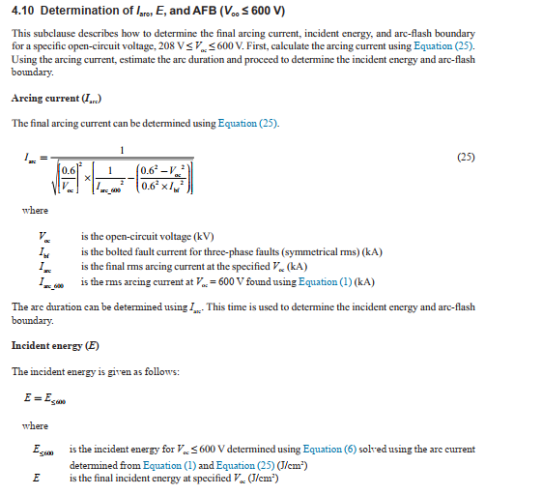
Iarc at 0.6 kV | 33.916 | kA

Step 2: Find the final arcing current per 4.9

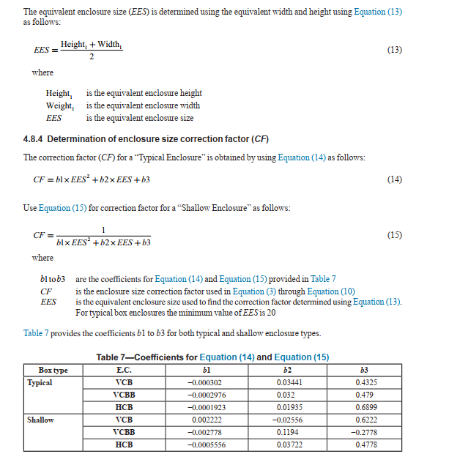
Final Iarc | 27.478 | kA
FCT | 168.000 | ms

Step 3: Find the final arcing current per the equations and instructions provided in 4.7
 |  |  | Table-6
 |  |  | Width< 508 (mm) | 508< Width< 660.4 (mm) | 660 < Width< 1244.6 (mm) | Width>1244.6 (mm)
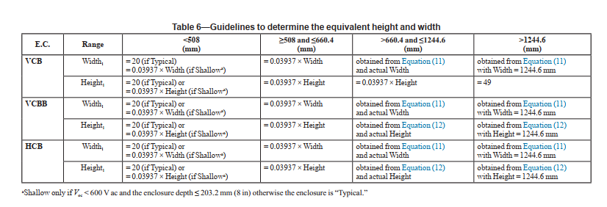
Width 1 | 20.000 |  | 508 | 660.4 | 1244.6 | 1245
 |  |  | 20 | 19.99996 | 24.674 | 31.083
 |  |  | Height< 508 (mm) | 508< Height< 660.4 (mm) | 660 < Height< 1244.6 (mm) | Height>1244.6 (mm)
Height 1 | 20.000 |  | 508 | 660.4 | 1244.6 | 1245
 |  |  | 20 | 19.99996 | 19.99996 | 49

 |  |  | Table-7
ESS | 20.000 |  |  | B1 | B2 | B3
 |  |  |  | -0.000302 | 0.03441 | 0.4325
Correction factor
CF | 1.000

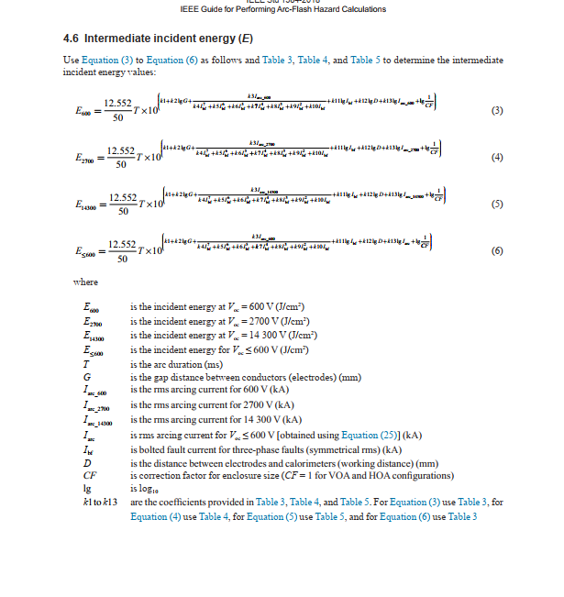
Step 4: The intermediate values of incident energy can be found per 4.5
 |  |  |  | Table-3
 |  |  |  |  | 0.6 kV
E at 0.6 | 33.178 | J/cm2 |  | k1 | 0.753364
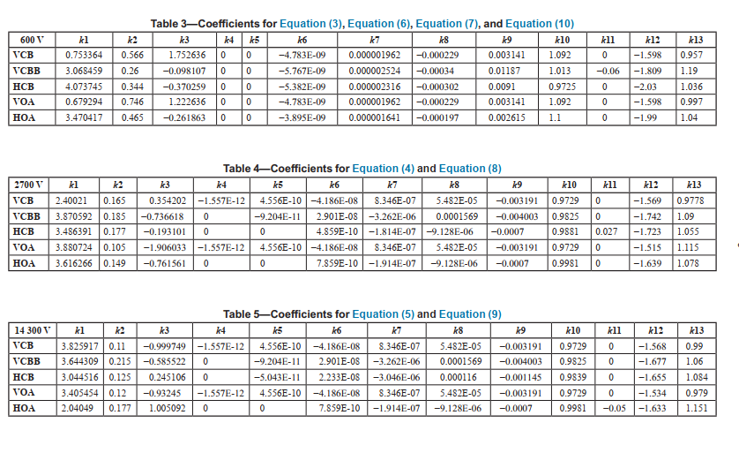
 |  |  |  | k2 | 0.566
 | 7.930 | cal/cm2 |  | k3 | 1.752636
 |  |  |  | k4 | 0
 |  |  |  | k5 | 0
 |  |  |  | k6 | -4.783E-09
 |  |  |  | k7 | 0.000001962
 |  |  |  | k8 | -0.000229
 |  |  |  | k9 | 0.003141
 |  |  |  | k10 | 1.092
 |  |  |  | k11 | 0
 |  |  |  | k12 | -1.598
 |  |  |  | k13 | 0.957

Step 5: The Final values of incident energy can be found per 4.8

E1 | 33.178 | J/cm2

 | 7.930 | cal/cm2

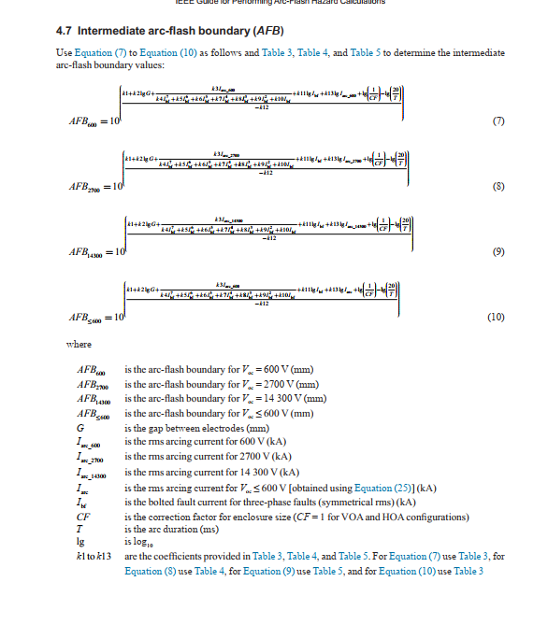
Step 6: The intermediate values of arc-flash boundary can be determined per 4.6

AFB at 0.6 | 1987.166 | mm

Step 7: The final value of AFB can be determined per 4.8

AFB 1 | 1987.166 | mm | 1.9871659815 | m

 | 78.23 | Inch

Step 8: To account for the arcing current variation use the equations in 4.4 to find the correction factor

VarCf | 0.253 |  |  |  | Table-2
 |  |  |  |  | K1 | 0
 |  |  |  |  | K2 | -1.4269E-06
Correction factor | 0.874 |  |  |  | K3 | 0.000083137
 |  |  |  |  | K4 | -0.0019382
 |  |  |  |  | K5 | 0.022366
 |  |  |  |  | K6 | -0.12645
 |  |  |  |  | K7 | 0.30226

Step 9: Adjust the intermediate values of arcing current using the correction factor

For 600 Volts | Iarc_600_min | 24.003 | kA

 | T | 200 | ms

Step 10: Repeat step 4 using the reduced intermediate currents
 |  |  |  | Table-3
 |  |  |  |  | 0.6 kV
E at 0.6 | 34.703 | J/cm2 |  | k1 | 0.753364
 |  |  |  | k2 | 0.566
 | 8.294 | cal/cm2 |  | k3 | 1.752636
 |  |  |  | k4 | 0
 |  |  |  | k5 | 0
 |  |  |  | k6 | -4.783E-09
 |  |  |  | k7 | 0.000001962
 |  |  |  | k8 | -0.000229
 |  |  |  | k9 | 0.003141
 |  |  |  | k10 | 1.092
 |  |  |  | k11 | 0
 |  |  |  | k12 | -1.598
 |  |  |  | k13 | 0.957

Step 11:The final value of incident energy can be determined per 4.9

E1 | 34.703 | J/cm2

 | 8.294 | cal/cm2

Step 12: Repeat step 6 using the reduced arcing currents

AFB at 0.6 | 2044 | mm

 | 80.47 | Inch

Step 13: The final value of AFB can be determined per 4.8

AFB 1 | 2044 | mm

 | 80.47 | Inch

